Sheet1
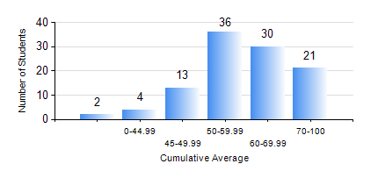
 |  |  | KWAME NKRUMAH UNIVERSITY OF SCIENCE AND TECHNOLOGY, KUMASI Department of Geomatic Engineering

 |  |  | BSC. GEOMATIC ENG.

 |  |  | COMPREHENSIVE RECORD OF EXAMINATION RESULTS

 |  |  | RESULTS OF YEAR 1 FIRST SEMESTER, 2022/2023 ACADEMIC YEAR

 | Sn | Course Code |  | Course Name | Credit Hours | Min. Mark | Max. Mark | Avg. Mark | Std. Dev. | No. Passed | No. Trailed | No. (Df) | No. (I) | No. (I*) | No. Tagged(I,I*,Df) | Total
 | 0. |  |  |  |  |  |  | 0 | 0 | 0 | 0 | 0 | 0 | 0 | 0 | 2
 | 1. | ENGL 157 |  | COMMUNICATION SKILLS I | 2 | 34 | 85 | 62 | 11.43 | 103 | 1 | 0 | 0 | 0 | 0 | 104
 | 2. | GE 151 |  | CARTOGRAPHY I | 3 | 41 | 88 | 64 | 9.09 | 104 | 0 | 0 | 0 | 0 | 0 | 104
 | 3. | GE 161 |  | BASIC SURVEY PRINCIPLES I | 3 | 41 | 87 | 61 | 10.39 | 104 | 0 | 0 | 0 | 0 | 0 | 104
 | 4. | GE 171 |  | APPLIED OPTICS | 2 | 31 | 93 | 63 | 13.85 | 101 | 3 | 0 | 0 | 0 | 0 | 104
 | 5. | MATH 151 |  | ALGEBRA | 4 | 40 | 90 | 64 | 11.93 | 104 | 0 | 0 | 0 | 0 | 0 | 104
 | 6. | ME 159 |  | TECHNICAL DRAWING | 2 | 18 | 94 | 60 | 17.33 | 98 | 6 | 0 | 0 | 0 | 0 | 104
 | 7. | ME 161 |  | BASIC MECHANICS | 3 | 23 | 81 | 51 | 12.86 | 96 | 8 | 0 | 0 | 0 | 0 | 104

